Compatibility
Compitabililty testing Checklist | Pass/ Fail | Remarks

Check if text, controls and images are aligned properly
Check if hover and selection states highlight and color changes
Verify if clickable area is suitable
Check if color, shading, and gradient are consistent
Verify if padding around the edges are correct
Check if text, images, controls, and frames do not run into the edges of the screen
Check if font size, style and color are consistent for each type of text;
Check if typed text (data entry) scrolls and displays properly

Check if pages are readable on all resolutions

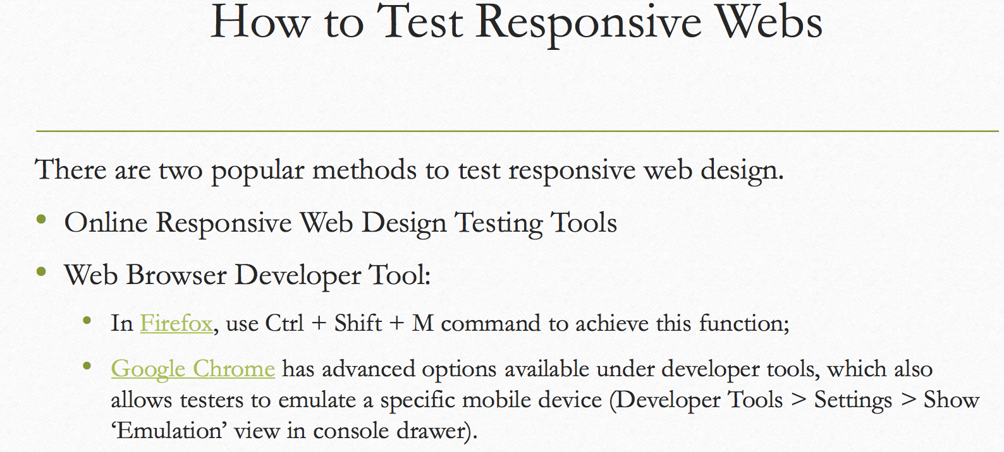

 |  |  | http://mattkersley.com/responsive/
 |  |  | http://www.isresponsive.com/
 |  |  | http://www.responsinator.com/

